Hotel
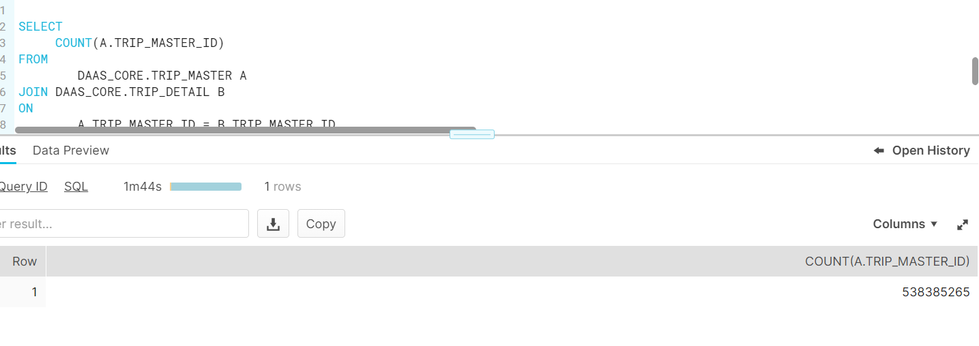
No.of Trip_master_id's inserted into Recalc_queue
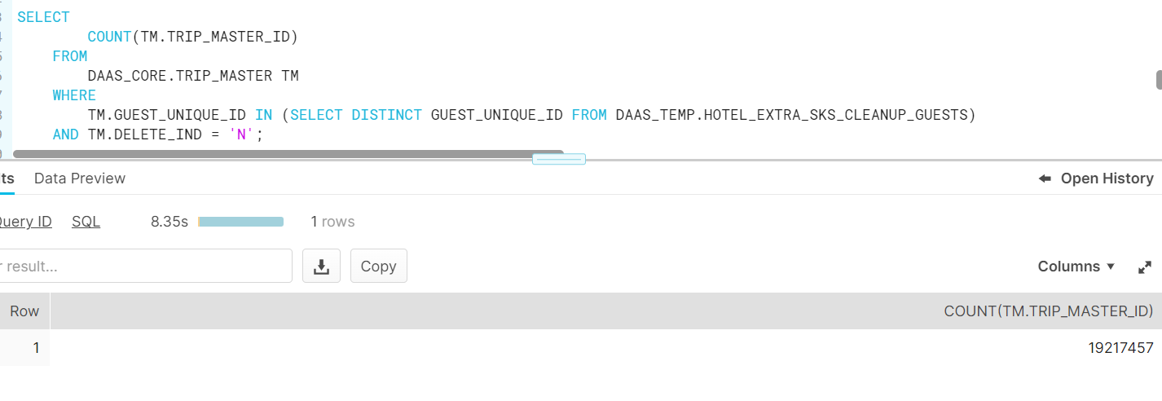

No.of trip_master_is's getting recalculated based on Guest_unique_id's

Offers
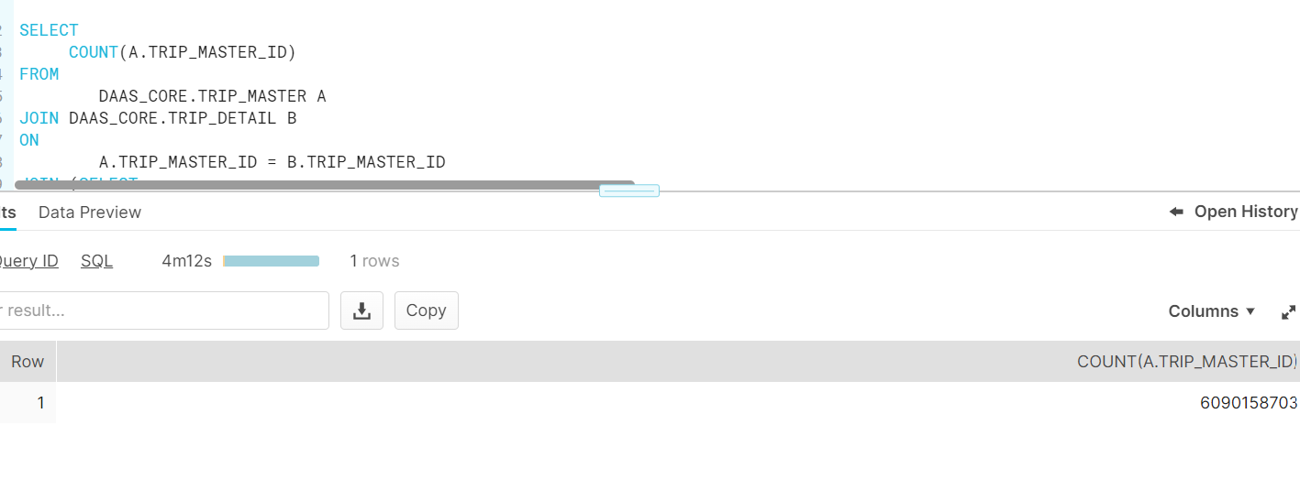
No.of Trip_master_id's inserted into Recalc_queue

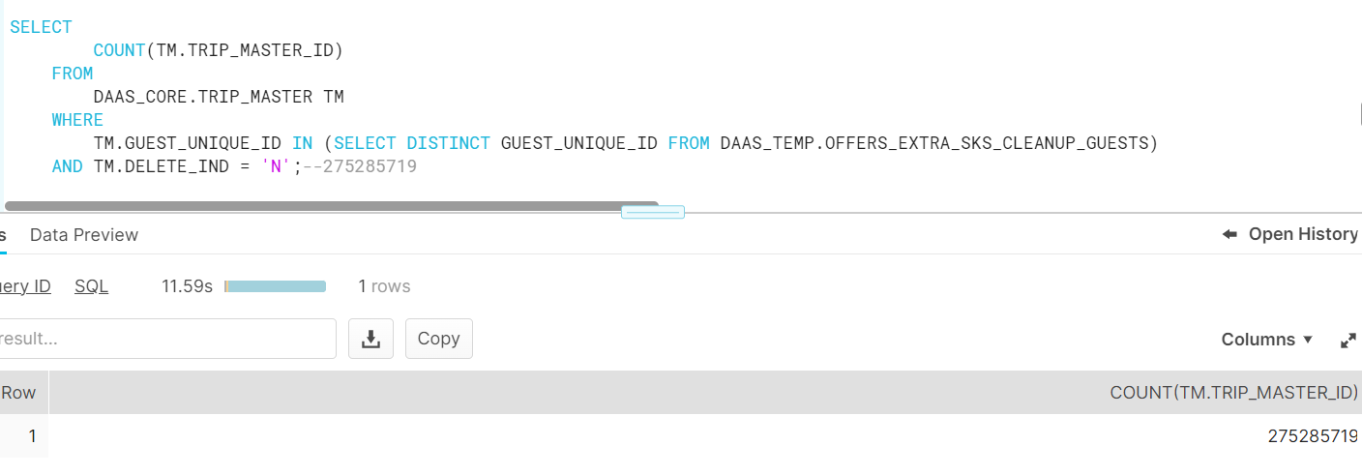

No.of trip_master_is's getting recalculated based on Guest_unique_id's

Ratings

No.of Trip_master_id's inserted into Recalc_queue
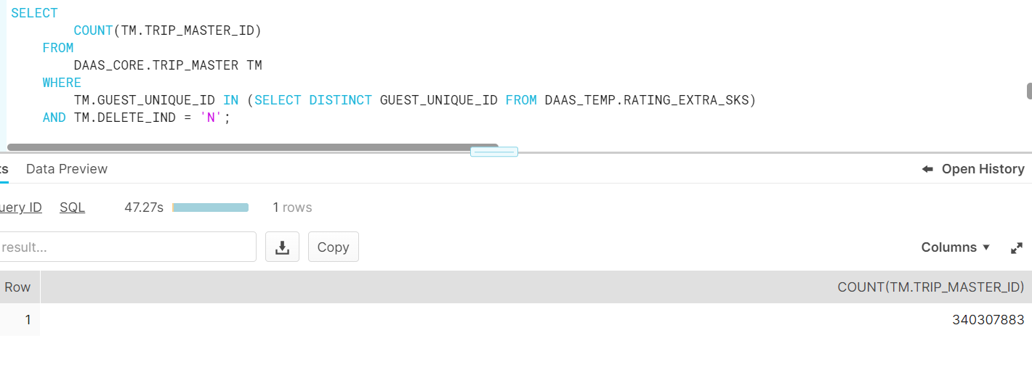

No.of trip_master_is's getting recalculated based on Guest_unique_id's

